Q9
 |  |  |  |  |  | Marks Obtained
Q9 | Create Column Chart with Values from Available data in Table 1 (As shown in Picture 1) |  |  |  | 2 Marks
 | Note:- Create the chart in blue cells

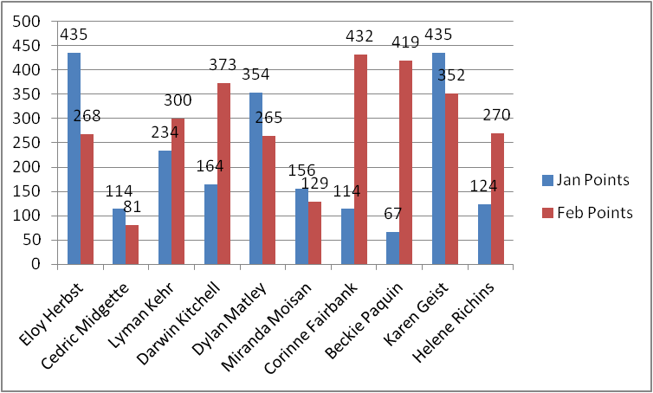
 | Table 1 |  |  | Picture 1
 | Name | Jan Points | Feb Points
 | Eloy Herbst | 435 | 268
 | Cedric Midgette | 114 | 81
 | Lyman Kehr | 234 | 300
 | Darwin Kitchell | 164 | 373
 | Dylan Matley | 354 | 265
 | Miranda Moisan | 156 | 129
 | Corinne Fairbank | 114 | 432
 | Beckie Paquin | 67 | 419
 | Karen Geist | 435 | 352
 | Helene Richins | 124 | 270

 |  |  |  | Create Chart Here

